Sangareeddy-1
Durga Indhan
S.No | Date | GRN No | Ind no/Bill No | Diesel (Lts) | Price | Amount | Petrol (Lts) | Price | Amount | Total amount | Amount paid | As on Date | Remarks
Opening Balance |  |  |  |  |  |  |  |  |  |  |  | 71,161.05
1 | 1-Apr-25 |  |  |  |  | - |  |  | - | - | - | 71161.05
2 | 2-Apr-25 |  |  |  |  | - |  |  | - | - | - | 71161.05
3 | 3-Apr-25 |  |  |  |  | - |  |  | - | - | - | 71161.05
4 | 4-Apr-25 |  |  |  |  | - |  |  | - | - | - | 71161.05
5 | 5-Apr-25 |  |  |  |  | - |  |  | - | - | - | 71161.05
6 | 6-Apr-25 |  |  |  |  | - |  |  | - | - | - | 71161.05
7 | 7-Apr-25 |  |  |  |  | - |  |  | - | - | - | 71161.05
8 | 8-Apr-25 |  |  |  |  | - |  |  | - | - | - | 71161.05
9 | 9-Apr-25 |  |  |  |  | - |  |  | - | - | - | 71161.05
10 | 10-Apr-25 |  |  |  |  | - |  |  | - | - | - | 71161.05
11 | 11-Apr-25 |  |  |  |  | - |  |  | - | - | - | 71161.05
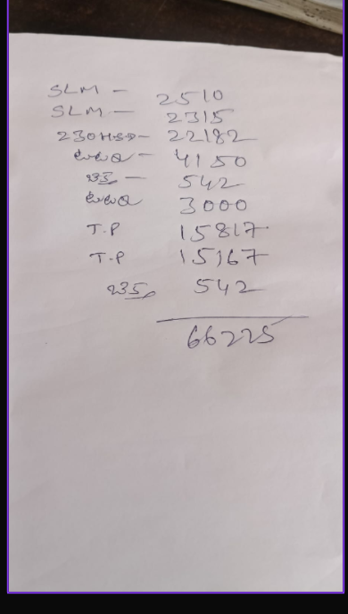
12 | 12-Apr-25 |  |  |  |  | - |  |  | - | - | - | 71161.05
13 | 13-Apr-25 |  |  |  |  | - |  |  | - | - | - | 71161.05
14 | 14-Apr-25 |  |  |  |  | - |  |  | - | - |  | 71161.05
15 | 15-Apr-25 |  |  |  |  | - |  |  | - | - | - | 71161.05
16 | 16-Apr-25 |  |  |  |  | - |  |  | - | - |  | 71161.05
17 | 17-Apr-25 |  |  |  |  | - |  |  | - | - |  | 71161.05
18 | 18-Apr-25 |  |  |  |  | - |  |  | - | - | 69,995.00 | 1166.05
19 | 19-Apr-25 |  |  |  |  | - |  |  | - | - | 1,166.05 | 0.00
20 | 20-Apr-25 |  |  |  |  | - |  |  | - | - | - | 0.00
21 | 21-Apr-25 |  |  |  |  | - |  |  | - | - | - | 0.00
22 | 22-Apr-25 |  |  |  |  | - |  |  | - | - | - | 0.00
23 | 23-Apr-25 |  |  |  |  | - |  |  | - | - | - | -
24 | 24-Apr-25 |  |  |  |  | - |  |  | - | - | - | -
25 | 25-Apr-25 |  |  |  |  | - |  |  | - | - | - | -
26 | 26-Apr-25 |  |  |  |  | - |  |  | - | - | - | -
27 | 27-Apr-25 |  |  |  |  | - |  |  | - | - | - | -
28 | 28-Apr-25 |  |  |  |  | - |  |  | - | - | - | -
29 | 29-Apr-25 |  |  |  |  | - |  |  | - | - | - | -
30 | 30-Apr-25 |  |  |  |  | - |  |  | - | - | - | -
31 |  |  |  |  |  | - |  |  | - | - | - | -
 |  |  |  | - |  | - | - |  | - | - | 71,161.05

